BACS
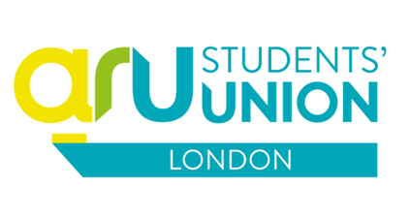

BACS PAYMENT REQUEST FORM - LONDON SOCIETIES

Note: This form should be used by societies when they are requesting funds that need to be paid by BACS OR are for amounts over £30. The receipt / invoice MUST be attached to this sheet. All monies will be paid directly into your bank account so please ensure your details are correct. All fields are mandatory * and must be completed.

 | Amount Requested £ |  | £-

FORENAMES*

SURNAME*

E-MAIL ADDRESS*

SID NUMBER*

BANK SORT CODE (6 Digits)*

BANK ACCOUNT NUMBER (8 Digits)*

DATE REQUESTED*

Account Details

Company Code |  | Z1

Cost Centre*

Subjective (Membership / Grant Codes)*

Project Code (Club / Society Code)*

Other Information
What is the payment for?*

Requested by*

Authorised by (Committee Member) Print & Sign*

Authorised by (Committee Member) Print & Sign*

Authorised By SU Staff

The box below is for Office / Finance use only
Processed by: |  |  |  | Process Date:

By completeing and submitting this form you agree for the SU to share this data with Anglia Ruskin University finance department in order for you payment to be processed. All financial paperwork is kept securely for 7 years in accordance with regulations and then is securely destroyed.

 |  |  |  |  | Cost Centre | Code List

 |  |  |  |  | 0000 (Membership) | 4310 (Membership)
 |  |  |  |  | MK61 (Society Grants) | S921 (Competitions)
 |  |  |  |  | MK65 (Sports Grants) | Q111 (Guest Speakers)
 |  |  |  |  |  | L613 (Health & Safety)
 |  |  |  |  |  | J390 (Equipment)
 |  |  |  |  |  | O130 (Advertising)
 |  |  |  |  |  | R111 (Travel)
 |  |  |  |  |  | S911 (Refreshments)
 |  |  |  |  |  | S374 (Other)

